Beacon Tower
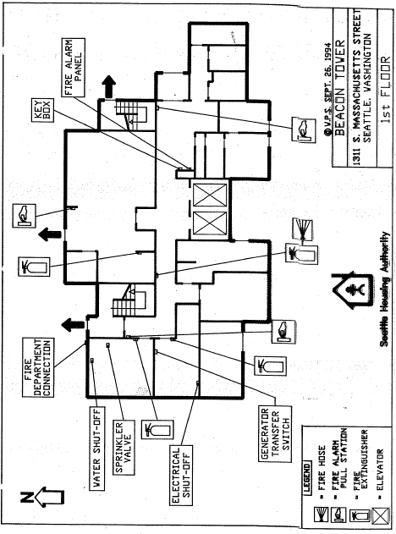
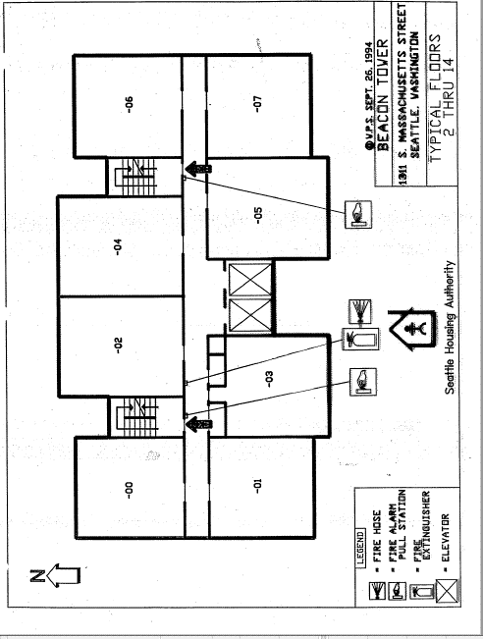
Beacon Tower | Stories: | 15 | Community ID | 033
1311 S Massachusetts St, Seattle WA 98144 | Residential Units: | 108 | Year Built | 1971
Existing Fixtures |  |  | Proposed Replacement Fixtures
Fixture Location | Fixture Type | Qnty | Replacement Fixture | New Fixture or Lamp-only | Qnty
Parking Lot Pole | 8 metal Pole round fixture 1 bulb | 8 | P50 - KT-LED36HID-EX39-840-D | Lamp only | 8
E. Exit Overhead | recessed drop down | 2 | Maintain Existing
Exterior Of building | wall mount round fixtures | 5 | Maintain Existing
Covered entry walk | LED Ceiling Mounted fixtures | 5 | Maintain Existing
Entry Overhead | Wall mount Sconce w/ metal screen | 1 | P08 - RAB BRISK12N/PCU 12W |  | 1
Entry Vestibule | recessed drop down | 1 | P26 - SYL 2X4 32W Flat Panel 74247 |  | 1

PM Office | 4 cealing flat planel T8 | 4 | P26 - SYL 2X4 32W Flat Panel 74247 |  | 4
1st Floor Laundy | 3 Ceiling Drop Down T8*2 | 6 | P26 - SYL 2X4 32W Flat Panel 74247 |  | 6
1st Floor Cmty Rm | 9 Ceiling flat panel T8*2 | 14 | P26 - SYL 2X4 32W Flat Panel 74247 |  | 14
1st Floor Cmty Rm Strg | 1 Ceiling flat panel T8*2 bulbs | 1 | P26 - SYL 2X4 32W Flat Panel 74247 |  | 1
1st Floor Kitchen | 2 Ceiling Mount T8*2 | 2 | P22 - FSW-4-30L-830-UNV-DIM |  | 2
1st Floor Kitchen | Under cabinet light | 1 | P32 - RAB KNOOK16YW UNDER CABINET |  | 1
Bathroom (common) | Ceiling Recessed 2*4pin bulbs | 4 | P19 - Nuvo 62-547 |  | 4
Bathroom (common) | vanity lights | 2 | P20 - 31006LEDD-BS/OPL Vanity Light |  | 2
Laundry Room | 1 Drop down ceiling mount T8 | 3 | P22 - FSW-4-30L-830-UNV-DIM |  | 3
1st Floor Sprinkler Rm | 2 pin recessed Round Fixture | 1 | P19 - Nuvo 62-547 |  | 1
1st Floor Maintenace | 1 Drop down ceiling mount T8 | 2 | P22 - FSW-4-30L-830-UNV-DIM |  | 2
1st Floor Trash | 2 Drop down Surface mount 2 T8 | 2 | P22 - FSW-4-30L-830-UNV-DIM |  | 2
Elevator Landing, all flrs | 1 Ceiling Flat Panel T8*15 (1*15 bulbs) | 15 | P26 - SYL 2X4 32W Flat Panel 74247 |  | 15
Elevator | 2 Ceiling flat panel T8*2 (4 bulbs) | 4 | P31 - GC LED T8 4ft 28399 |  | 4
1st Floor Hallway | 14 cealing plat panel T8*2 | 9 | P26 - SYL 2X4 32W Flat Panel 74247 |  | 9
1st Floor Hallway | 5 Round Ceiling Recessed 2 pin | 7 | P19 - Nuvo 62-547 |  | 7
2nd Floor Hallway | 6 Round Ceiling Recessed 2 pin | 6 | P19 - Nuvo 62-547 |  | 6
3rd Floor Hallway | 6 Round Ceiling Recessed 2 pin | 6 | P19 - Nuvo 62-547 |  | 6
4th Floor Hallway | 6 Round Ceiling Recessed 2 pin | 6 | P19 - Nuvo 62-547 |  | 6
5th Floor Hallway | 6 Round Ceiling Recessed 2 pin | 6 | P19 - Nuvo 62-547 |  | 6
6th Floor Hallway | 6 Round Ceiling Recessed 2 pin | 6 | P19 - Nuvo 62-547 |  | 6
7th Floor Hallway | 6 Round Ceiling Recessed 2 pin | 6 | P19 - Nuvo 62-547 |  | 6
8th Floor Hallway | 6 Round Ceiling Recessed 2 pin | 6 | P19 - Nuvo 62-547 |  | 6
9th Floor Hallway | 6 Round Ceiling Recessed 2 pin | 6 | P19 - Nuvo 62-547 |  | 6
10th Floor Hallway | 6 Round Ceiling Recessed 2 pin | 6 | P19 - Nuvo 62-547 |  | 6
11th Floor Hallway | 6 Round Ceiling Recessed 2 pin | 6 | P19 - Nuvo 62-547 |  | 6
12th Floor Hallway | 6 Round Ceiling Recessed 2 pin | 6 | P19 - Nuvo 62-547 |  | 6
13th Floor Hallway | 6 Round Ceiling Recessed 2 pin | 6 | P19 - Nuvo 62-547 |  | 6
14th Floor Hallway | 6 Round Ceiling Recessed 2 pin | 6 | P19 - Nuvo 62-547 |  | 6
15th Floor Hallway | 5 ceiling recessed round fixtures | 6 | P19 - Nuvo 62-547 |  | 6
West Stairwell | Wall mounted Sconce | 31 | Access Bulkhead 20290LEDDLP-WH/FST |  | 31
East Stairwell | Wall mounted Sconce | 30 | Access Bulkhead 20290LEDDLP-WH/FST |  | 30
15th Lounge | 17 ceiling drop down T8 | 17 | P22 - FSW-4-30L-830-UNV-DIM |  | 17
 | Total: | 261 | Total: |  | 249

Hazardous Materials Info:
Lead Based Paint: | Tests indicate some paint surfaces contain lead based paint. See Good Faith Report.
Asbestos Containing Materials: | ACM abated or encapsulated. See Good Faith Report.
Good Faith Lead and Asbestos surveys will be provided to the successful bidder. Disturbance of hazardous materials is not anticipated with this scope of work.

Cedarvale House
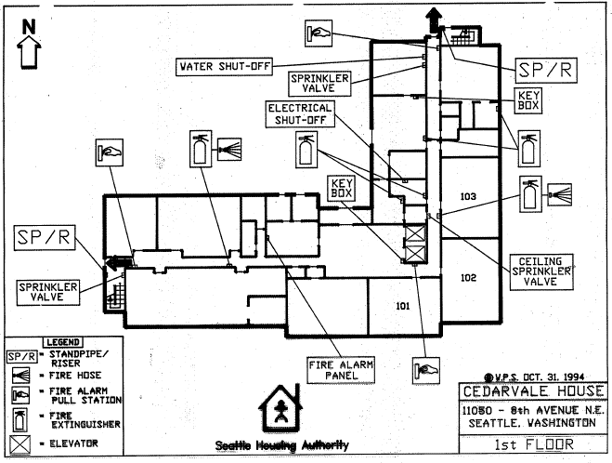
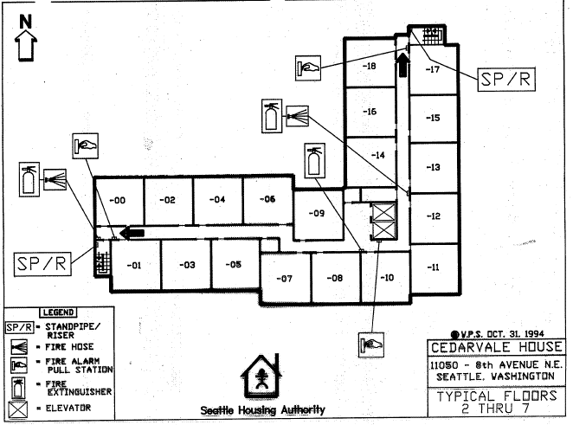
Cedarvale House | Stories: |  | 7 | Community ID | 26
11050 8th Ave NE Seattle, WA 98125 | Residential Units: |  | 118 | Year Built | 1970
Existing Fixtures |  |  |  | Proposed Replacement Fixtures
Fixture Location | Fixture Type | Wattage of Existing | Qnty | Replacement Fixture (or Equivalent) | New Fixture or Lamp-only | Qnty
Parking | Roof-mounted Halide Spot Lights |  | 2 | P06 - RAB 78W Flood w/Photocell |  | 2
East Elevation | Wall Sconce |  | 1 | P09 - XTOR3B + KNC |  | 1
East Elevation | Roof-Mounted Halide Spot Light |  | 1 | P06 - RAB 78W Flood w/Photocell |  | 1
Patio | Exterior RAB Spot Light |  | 3 | P06 - RAB 78W Flood w/Photocell |  | 3
Parking Entry | Exterior Canopy Light | 70 | 2 | P19 - Nuvo 62-547 |  | 2
Entrance Sconce | 1L CFL (Single bulb) |  | 1 | P46 - GC LED 6W A19 97731 | Lamp only | 1
Garbage Sconce | 1L CFL (Single bulb) |  | 1 | P46 - GC LED 6W A19 97731 | Lamp only | 1

Foyer/Antechamber | Round Surface Mount | 26 | 4 | P19 - Nuvo 62-547 |  | 4
Lobby | 4L T8 Inset |  | 9 | P26 - SYL 2X4 32W Flat Panel 74247 |  | 9
Staff Hall | 2L T8 Inset |  | 3 | P26 - SYL 2X4 32W Flat Panel 74247 |  | 3
Office | 4L T8 Inset |  | 8 | P26 - SYL 2X4 32W Flat Panel 74247 |  | 8
Staff Office | 4L T8 Inset |  | 9 | P26 - SYL 2X4 32W Flat Panel 74247 |  | 9
Staff Office | 4L T8 Surface Mount |  | 1 | P22 - FSW-4-30L-830-UNV-DIM |  | 1
Social Services | 4L T8 Inset |  | 5 | P26 - SYL 2X4 32W Flat Panel 74247 |  | 5
Social Services Office | 4L T8 Inset |  | 4 | P26 - SYL 2X4 32W Flat Panel 74247 |  | 4
Staff Bathroom | 2L T8 Surface Mount |  | 2 | P22 - FSW-4-30L-830-UNV-DIM |  | 2
Restrooms | 2L T8 Surface Mount |  | 4 | P22 - FSW-4-30L-830-UNV-DIM |  | 4
Laundry | 4L T8 Surface Mount |  | 3 | P22 - FSW-4-30L-830-UNV-DIM |  | 3
Community Room A. | 4L T8 Inset |  | 12 | P26 - SYL 2X4 32W Flat Panel 74247 |  | 12
Community Room B. | 4L T8 Inset |  | 21 | P26 - SYL 2X4 32W Flat Panel 74247 |  | 21
Community Storage | 4L T8 Inset |  | 1 | P26 - SYL 2X4 32W Flat Panel 74247 |  | 1
Kitchen | 2L T8 Surface Mount |  | 3 | P22 - FSW-4-30L-830-UNV-DIM |  | 3
Kitchen Cabinets | T8 Undermount Cabinet Lights |  | 3 | P32 - RAB KNOOK24YW UNDER CABINET |  | 3
Maintenance Room | Round Surface Mount | 26 | 2 | P19 - Nuvo 62-547 |  | 2
Electrical Room | Surface Mount Bulb (Change to LED) | 65 | 3 | P46 - GC LED 6W A19 97731 | Lamp only | 3
Trash Room | 1L Surface Mount Bulbs (Change bulb to LED) | 65 | 4 | P46 - GC LED 6W A19 97731 | Lamp only | 4
Boiler Room | Round Surface Mount | 26 | 7 | P19 - Nuvo 62-547 |  | 7
Storage | 1L Bulb (Change to LED) | 65 | 1 | P46 - GC LED 6W A19 97731 | Lamp only | 1
Elevators | 2L T8 |  | 4 | P31 - GC LED T8 4ft 28399 | Lamp only | 4
1st Floor Halls | 2L T8 Inset |  | 9 | P26 - SYL 2X4 32W Flat Panel 74247 |  | 9
2nd Floor Halls | 2L T8 Inset |  | 13 | P26 - SYL 2X4 32W Flat Panel 74247 |  | 13
3rd Floor Halls | 2L T8 Inset |  | 13 | P26 - SYL 2X4 32W Flat Panel 74247 |  | 13
4th Floor Halls | 2L T8 Inset |  | 13 | P26 - SYL 2X4 32W Flat Panel 74247 |  | 13
5th Floor Halls | 2L T8 Inset |  | 13 | P26 - SYL 2X4 32W Flat Panel 74247 |  | 13
6th Floor Halls | 2L T8 Inset |  | 13 | P26 - SYL 2X4 32W Flat Panel 74247 |  | 13
7th Floor Halls | 2L T8 Inset |  | 13 | P26 - SYL 2X4 32W Flat Panel 74247 |  | 13
7th Floor Storage | 2L T8 Surface Mount |  | 1 | P22 - FSW-4-30L-830-UNV-DIM |  | 1
7th Floor Storage | 1L Bulb | 65 | 2 | P46 - GC LED 6W A19 97731 | Lamp Only | 2
West Stairwell | Tube CFL (2 pin) | 26 | 14 | Access Bulkhead 20290LEDDLP-WH/FST |  | 14
East Stairwell | Tube CFL (2 pin) | 26 | 16 | Access Bulkhead 20290LEDDLP-WH/FST |  | 16
 | Total: |  | 244 | Total: |  | 244

Hazardous Materials Info:
Lead Based Paint: | Tests indicate some paint surfaces contain lead based paint. See Good Faith Report.
Asbestos Containing Materials: | ACM Abated or encapsulated. See Good Faith Report.
Good Faith Lead and Asbestos surveys will be provided to the successful bidder. Disturbance of hazardous materials is not anticipated with this scope of work.

Harvard Court
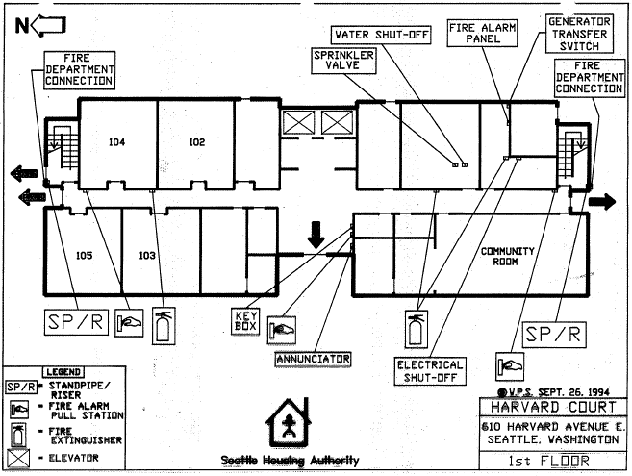
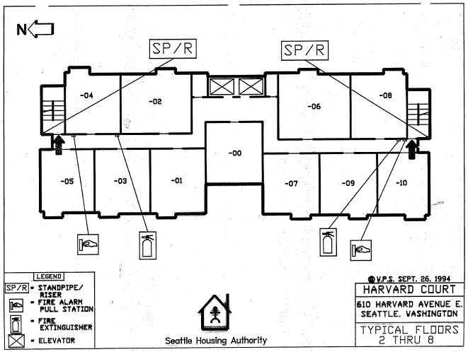
Harvard Court | Stories: | 8 | Community ID | 016
610 Harvard Ave E Seattle, WA 98102 | Residential Units: | 81 | Year Built | 1968
Existing Fixtures |  |  | Proposed Replacement Fixtures
Fixture Location | Fixture Type | Qnty | Replacement Fixture (or Equivalent) | New Fixture or Lamp-only | Qnty
Exterior Entry | Pole light | 1 | P50 - KT-LED36HID-EX39-840-D | Lamp Only | 1
Parking Lot | Pole light | 1 | P50 - KT-LED36HID-EX39-840-D | Lamp Only | 1
Parking Lot | LED wall mounted sconce | 2 | P07 - SYL 74217 |  | 2
Parking Lot Wall | Unknown sconce type | 1 | P07 - SYL 74217 |  | 1
N. Exterior Elevation | Pole light | 1 | P50 - KT-LED36HID-EX39-840-D | Lamp Only | 1
N. Exterior Elevation | Wall mounted sconce | 1 | P08 - RAB BRISK12N/PCU 12W |  | 1
Patio | Pole light | 1 | P50 - KT-LED36HID-EX39-840-D | Lamp Only | 1
Patio Wall | Wall mounted sconce | 1 | P46 - GC LED 6W A19 97731 | Lamp Only | 1
South Exit | LED wall mounted sconce | 1 | P09 - XTOR3B + KNC |  | 1
Entry Awning | Round surface mount single bulb canopy | 4 | P19 - Nuvo 62-547 |  | 4

Foyer | Single bulb wall mounted sconce | 4 | P46 - GC LED 6W A19 97731 | Lamp Only | 4
Foyer | 4L T8 surface mount | 4 | P22 - FSW-4-30L-830-UNV-DIM |  | 4
Mailroom | 4L T8 surface mount | 2 | P22 - FSW-4-30L-830-UNV-DIM |  | 2
Office | 4L T8 inset flat panel | 2 | P26 - SYL 2X4 32W Flat Panel 74247 |  | 2
Office | 2L T8 surface mount | 1 | P22 - FSW-4-30L-830-UNV-DIM |  | 1
Social Services Bath | Vanity light | 1 | P20 - 62516LEDD-BS/ACR Access Bath Vanity |  | 1
Social Services Office | Round surface mount | 4 | P19 - Nuvo 62-547 |  | 4
Laundry | 2L T8 surface mount | 4 | P22 - FSW-4-30L-830-UNV-DIM |  | 4
Bathroom (2) | Vanity light | 1 | P20 - 62516LEDD-BS/ACR Access Bath Vanity |  | 1
Community Room | 4L T8 inset flat panel | 8 | P26 - SYL 2X4 32W Flat Panel 74247 |  | 8
Kitchen | 2L T8 surface mount | 2 | P22 - FSW-4-30L-830-UNV-DIM |  | 2
Kitchen Cabinets | Cabinet light | 1 | P32 - RAB KNOOK24YW UNDER CABINET |  | 1
Kitchen Storage | 1L surface mount bulb | 2 | P46 - GC LED 6W A19 97731 | Lamp Only | 2
Computer Lab | 2L T8 surface mount | 1 | P22 - FSW-4-30L-830-UNV-DIM |  | 1
Electrical Room | 2L T8 surface mount | 3 | P22 - FSW-4-30L-830-UNV-DIM |  | 3
Janitor | Tube surface mount | 2 | P46 - GC LED 6W A19 97731 | Lamp Only | 2
Elevator (2) | 2L T8 surface mount (behind diffuser) | 2 | P31 - GC LED T8 4ft 28399 |  | 2
1st Floor Hall | 2L T8 surface mount | 8 | P22 - FSW-4-30L-830-UNV-DIM |  | 8
2nd Floor Hall | 2L T8 surface mount | 7 | P22 - FSW-4-30L-830-UNV-DIM |  | 7
3rd Floor Hall | 2L T8 surface mount | 7 | P22 - FSW-4-30L-830-UNV-DIM |  | 7
4th Floor Hall | 2L T8 surface mount | 7 | P22 - FSW-4-30L-830-UNV-DIM |  | 7
5th Floor Hall | 2L T8 surface mount | 7 | P22 - FSW-4-30L-830-UNV-DIM |  | 7
6th Floor Hall | 2L T8 surface mount | 7 | P22 - FSW-4-30L-830-UNV-DIM |  | 7
7th Floor Hall | 2L T8 surface mount | 7 | P22 - FSW-4-30L-830-UNV-DIM |  | 7
8th Floor Hall | 2L T8 surface mount | 7 | P22 - FSW-4-30L-830-UNV-DIM |  | 7
2nd-8th Floor Janitor | Tube surface mount | 7 | P46 - GC LED 6W A19 97731 | Lamp Only | 7
2nd-8th Floor Electrical | Tube surface mount | 7 | P46 - GC LED 6W A19 97731 | Lamp Only | 7
E. Stairwell | Round surface mount | 18 | Access Bulkhead 20290LEDDLP-WH/FST |  | 18
W. Stairwell | Round surface mount | 18 | Access Bulkhead 20290LEDDLP-WH/FST |  | 18
 | Total: | 165 | Total: |  | 165

Hazardous Materials Info:
Lead Based Paint: | Tests indicate some paint surfaces contain lead based paint. See Good Faith Report.
Asbestos Containing Materials: | Tests indicate some surfaces contain ACM. See Good Faith Report.
Good Faith Lead and Asbestos surveys will be provided to the successful bidder. Disturbance of hazardous materials is not anticipated with this scope of work.

Olympic West
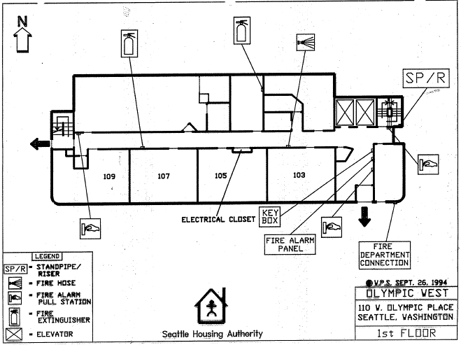
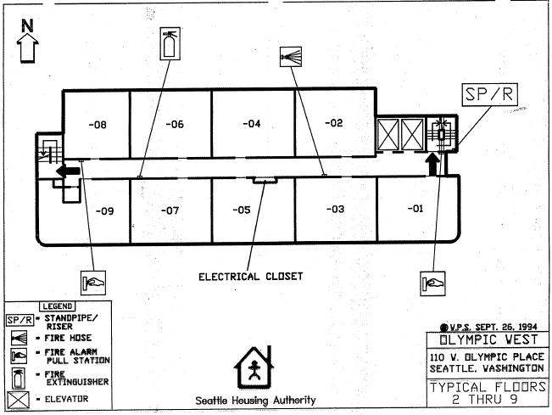
Olympic West | Stories: | 9 | Community ID | 029
110 W Olympic PL | Residential Units: |  | Year Built | 1970
Existing Fixtures |  |  | Proposed Replacement Fixtures
Fixture Location | Fixture Type | Qnty | Replacement Fixture (or Equivalent) | Wattage of Proposed Replacement | Qnty
Interior Entry Vestibule | 12" Round CFL Fixture, Surface Mount | 2 | Access Bulkhead 20290LEDDLP-WH/FST | 9.5 | 2
Basement Hallway | 12" Round CFL Fixture, Surface Mount | 3 | Access Bulkhead 20290LEDDLP-WH/FST | 9.5 | 3
1st Floor Hallway | 12" Round CFL Fixture, Surface Mount | 8 | Access Bulkhead 20290LEDDLP-WH/FST | 9.5 | 8
2nd Floor Hallway | 12" Round CFL Fixture, Surface Mount | 9 | Access Bulkhead 20290LEDDLP-WH/FST | 9.5 | 9
3rd Floor Hallway | 12" Round CFL Fixture, Surface Mount | 9 | Access Bulkhead 20290LEDDLP-WH/FST | 9.5 | 9
4th Floor Hallway | 12" Round CFL Fixture, Surface Mount | 9 | Access Bulkhead 20290LEDDLP-WH/FST | 9.5 | 9
5th Floor Hallway | 12" Round CFL Fixture, Surface Mount | 9 | Access Bulkhead 20290LEDDLP-WH/FST | 9.5 | 9
6th Floor Hallway | 12" Round CFL Fixture, Surface Mount | 9 | Access Bulkhead 20290LEDDLP-WH/FST | 9.5 | 9
7th Floor Hallway | 12" Round CFL Fixture, Surface Mount | 9 | Access Bulkhead 20290LEDDLP-WH/FST | 9.5 | 9
8th Floor Hallway | 12" Round CFL Fixture, Surface Mount | 9 | Access Bulkhead 20290LEDDLP-WH/FST | 9.5 | 9
9th Floor Hallway | 12" Round CFL Fixture, Surface Mount | 9 | Access Bulkhead 20290LEDDLP-WH/FST | 9.5 | 9

 | Total: | 85 | Total: |  | 85

Hazardous Materials Info:
Lead Based Paint: | Tests indicate some paint surfaces contain lead based paint. See Good Faith Report.
Asbestos Containing Materials: | Test indicate one ceiling location with ACM. See testing results.
Good Faith Lead and Asbestos surveys will be provided to the successful bidder. Disturbance of hazardous materials is not anticipated with this scope of work.

Ballard House
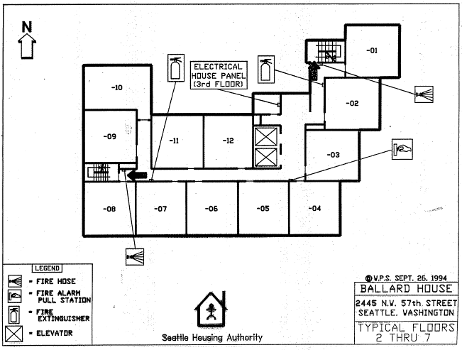
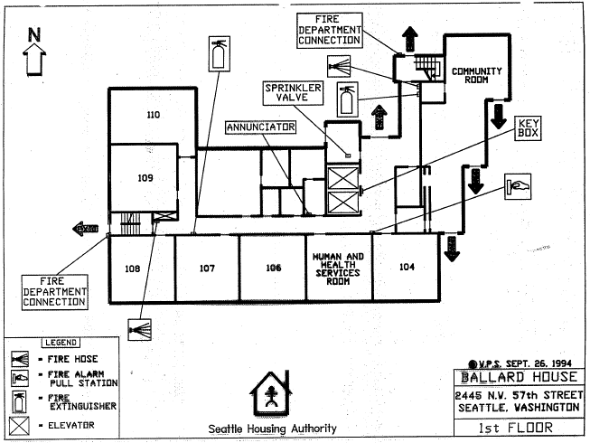
Ballard House | Stories: | 7 | Community ID | 020
2445 NW 57th St Seattle, WA 98107 | Residential Units: | 79 | Year Built | 1969
Existing Fixtures |  |  | Proposed Replacement Fixtures
Fixture Location | Fixture Type | Qnty | Replacement Fixture (or Equivalent) | New Fixture or Lamp-only | Qnty
Parking Lot Poles | COB Led array; 20-30'' ft lamp post | 4 | Do not Remove.
Exterior of N. Entry | 2 CFL Bulbs; 14'' round sconce | 1 | P19 - Nuvo 62-547 |  | 1
Exterior of N. Entry | LED or CFL Flood/Security Light | 2 | Do not Remove.
NW Exterior | 2 pin CFL; wall mounted (cylindrical sconce) | 1 | P07 - SYL 74217 |  | 1
NE Exit | LED COB Array; security style down light | 1 | Do not Remove.
East-side 1 | LED COB Array; security style down light | 1 | Do not Remove.
East-side 2 | LED COB Array; security style down light | 1 | Do not Remove.
East-side 3 | LED COB Array; security style down light | 1 | Do not Remove.
W. Door | Halogen flood light | 1 | P06 - RAB 78W Flood w/Photocell |  | 1

1st Floor Lobby/Mail | 4 Lamp fixture; recessed; T-8 floroescent | 5 | P26 - SYL 2X4 32W Flat Panel 74247 |  | 5
1st Floor Bathroom | Vanity fixture; wall mount; T-8 florescent | 1 | P20 - 62516LEDD-BS/ACR Access Bath Vanity |  | 1
1st Floor Storage | Single CFL; Ceiling mount; E-26 base | 1 | P46 - GC LED 6W A19 97731 |  | 1
1st Floor Community Room | 2 Lamp fixture; ceiling mount; T-8 floroescent | 22 | P22 - FSW-4-30L-830-UNV-DIM |  | 22
1st Floor Community Room | 2 pin CFL; ceiling mounted; 12'' round sconce | 4 | P19 - Nuvo 62-547 |  | 4
Community Room Kitchen | Single CFL; Ceiling mount; E-26 base | 2 | P46 - GC LED 6W A19 97731 | Lamp only | 2
Community Room Kitchen | 2 Lamp fixture; mounted 3ft underlight; T-8 Florescent | 1 | P32 - RAB KNOOK16YW UNDER CABINET |  | 1
Community Room Kitchen | 2 Lamp fixture; mounted 1.5ft underlight; T-8 Florescent | 1 | P32 - RAB KNOOK16YW UNDER CABINET |  | 1
Mechanical Room | Single CFL; Ceiling mount; E-26 base | 2 | P46 - GC LED 6W A19 97731 | Lamp only | 2
Electrical Room | Single CFL; Ceiling mount; E-26 base | 2 | P46 - GC LED 6W A19 97731 | Lamp only | 2
1st Floor Janitor | Twin CFLs; Ceiling mount; 12'' circular sconce; E-26 base | 1 | P19 - Nuvo 62-547 |  | 1
2nd Floor Laundry | 2 Lamp fixture; ceiling mount; T-8 floroescent | 1 | P22 - FSW-4-30L-830-UNV-DIM |  | 1
Basement Storage Rooms | Single CFL; Ceiling mount; E-26 base | 4 | P46 - GC LED 6W A19 97731 | Lamp only | 4
Elevator 1 of 2 | 2 Lamp fixture; ceiling mount; T-8 floroescent | 3 | P31 - GC LED T8 4ft 28399 |  | 3
Elevator 2 of 2 | 2 Lamp fixture; ceiling mount; T-8 floroescent | 3 | P31 - GC LED T8 4ft 28399 |  | 3
Exterior Entryway | CFL or Led; ceiling mounted; 12'' circular sconce | 1 | P19 - Nuvo 62-547 |  | 1
1st Floor Cooridor to Stairs (near Comm Rm) | 2 Lamp fixture; ceiling mount; T-8 floroescent | 2 | P22 - FSW-4-30L-830-UNV-DIM |  | 2
2nd Floor Hallway | 2 Lamp fixture; recessed; T-8 floroescent | 16 | P27 - SYL 1X4 32W Flat Panel 74243 |  | 16
3rd Floor Hallway | 2 Lamp fixture; recessed; T-8 floroescent | 16 | P27 - SYL 1X4 32W Flat Panel 74243 |  | 16
4th Floor Hallway | 2 Lamp fixture; recessed; T-8 floroescent | 16 | P27 - SYL 1X4 32W Flat Panel 74243 |  | 16
5th Floor Hallway | 2 Lamp fixture; recessed; T-8 floroescent | 16 | P27 - SYL 1X4 32W Flat Panel 74243 |  | 16
5th Floor Hallway | 2 Lamp fixture; recessed; T-8 floroescent | 16 | P27 - SYL 1X4 32W Flat Panel 74243 |  | 16
6th Floor Hallway | 2 Lamp fixture; recessed; T-8 floroescent | 16 | P27 - SYL 1X4 32W Flat Panel 74243 |  | 16
7th Floor Hallway | 2 Lamp fixture; recessed; T-8 floroescent | 16 | P27 - SYL 1X4 32W Flat Panel 74243 |  | 16
7th Floor Corridor to Janitor Closet | 2 pin CFL; ceiling mounted; 12'' round sconce | 1 | P19 - Nuvo 62-547 |  | 1
7th Floor Janitor Closet | Single Incandescent; Ceiling mount; E-26 base | 1 | P46 - GC LED 6W A19 97731 | Lamp only | 1
Stairwell 1 of 2 | 2 pin CFL; wall mounted (cylindrical sconce) (**2 per floor) | 14 | Access Bulkhead 20290LEDDLP-WH/FST |  | 14
Stairwell 2 of 2 | 2 pin CFL; wall mounted (cylindrical sconce) (**2 per floor) | 14 | Access Bulkhead 20290LEDDLP-WH/FST |  | 14
Basement Stairwell | 2 pin CFL; wall mounted (cylindrical sconce) | 1 | Access Bulkhead 20290LEDDLP-WH/FST |  | 1
 | Total: | 212 | Total: |  | 202

Hazardous Materials Info:
Lead Based Paint: | Tests indicate lead based paint in the stairwells. See Good Faith Report.
Asbestos Containing Materials: | ACM found in material tests. See available reports.
Good Faith Lead and Asbestos surveys will be provided to the successful bidder. Disturbance of hazardous materials is not anticipated with this scope of work.

Jackson Park House
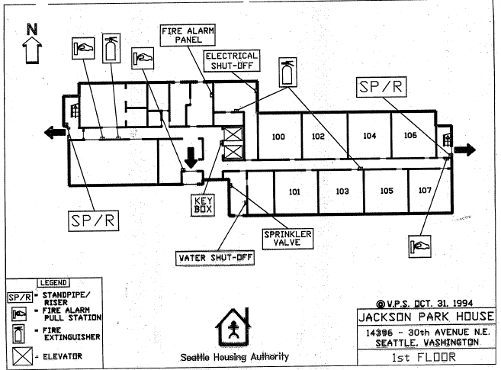
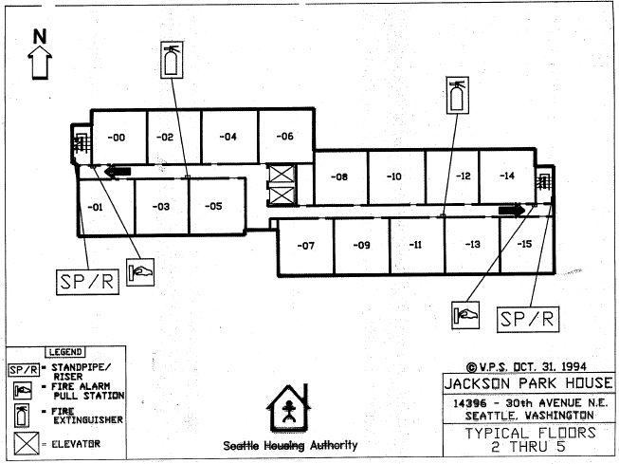
Jackson Park House | Stories: | 5 | Community ID | 24
14396 30th Ave NE Seattle, WA 98125 | Residential Units: | 71 | Year Built | 1970
Existing Fixtures |  |  | Proposed Replacement Fixtures
Fixture Location | Fixture Type | Qnty | Replacement Fixture (or Equivalent) | New Fixture or Lamp-only | Qnty
Exterior Lamp Poles | Lamp only | 3 | P50 - KT-LED36HID-EX39-840-D | lamp only | 3
Ext. Canopy on Parking Side | 12" round, single CFL lamp surface-mount fixture | 2 | P19 - Nuvo 62-547 |  | 2
Entry Vestibule | 12" round, surface mount, 1-lamp | 1 | P19 - Nuvo 62-547 |  | 1
East Exterior | CFL Wall Sconce | 1 | P09 - XTOR3B + KNC |  | 1
Exterior entry, East Stairwell | Existing LED RAB fixture, Maintain in place | 1 | Existing LED RAB fixture, Maintain in place |  | 1

Lobby | 2'x4' T8 fixtures, 4 lamp, Drop Ceiling | 10 | P26 - SYL 2X4 32W Flat Panel 74247 |  | 10
Office Suite | 2'x4' T8 fixtures, 4 lamp, Drop Ceiling | 5 | P26 - SYL 2X4 32W Flat Panel 74247 |  | 5
Restrooms | Restroom Vanity | 2 | P20 - 62516LEDD-BS/ACR Access Bath Vanity |  | 2
Laundry room hallway | 12" round, surface mount, 1-lamp | 1 | P19 - Nuvo 62-547 |  | 1
Laundry Room | 2-lamp T8, surface mounted | 2 | P22 - FSW-4-30L-830-UNV-DIM |  | 2
Community Room A | 2'x4' T8 fixtures, 4 lamp, Drop Ceiling | 6 | P26 - SYL 2X4 32W Flat Panel 74247 |  | 6
Community Room A Kitchen | Surface-mount, 2-lamp T8 | 2 | P22 - FSW-4-30L-830-UNV-DIM |  | 2
Community Room A Kitchen | Under-cabinet T8, 1-Lamp | 3 | P32 - RAB KNOOK24YW UNDER CABINET |  | 3
Community Room Storage Rm | Surface-mount, 2-lamp T8 | 2 | P22 - FSW-4-30L-830-UNV-DIM |  | 2
Community Room B | 2'x4' T8 fixtures, 4 lamp, Drop Ceiling | 12 | P26 - SYL 2X4 32W Flat Panel 74247 |  | 12
Health Services Rm 107 | Surface-mount, 2-lamp T8 | 4 | P22 - FSW-4-30L-830-UNV-DIM |  | 4
Health Services Rm 107 | Restroom Vanity | 1 | P20 - 62516LEDD-BS/ACR Access Bath Vanity |  | 1
Fire Riser Room | CFL Lamp-only | 2 | P46 - GC LED 6W A19 97731 | Lamp only | 2
Boiler Room | 8' T8, 2-Lamp | 1 | P22 - FSW-4-30L-830-UNV-DIM |  | 1
Electrical Utility Room | CFL Lamp-only | 4 | P46 - GC LED 6W A19 97731 | Lamp only | 4
Electrical Vault | Surface-mount, 2-lamp T8 | 2 | P22 - FSW-4-30L-830-UNV-DIM |  | 2
Elevators | Surface-mount, 2-lamp T8, LAMP ONLY | 8 | P31 - GC LED T8 4ft 28399 |  | 8
1st floor hallway | 2'x4' T8 fixtures, 4 lamp, Drop Ceiling | 10 | P26 - SYL 2X4 32W Flat Panel 74247 |  | 10
2nd floor hallway | 1'x4' 2-lamp T8 Fixture, Drop Ceiling | 14 | P27 - SYL 1X4 32W Flat Panel 74243 |  | 14
3rd floor hallway | 1'x4' 2-lamp T8 Fixture, Drop Ceiling | 14 | P27 - SYL 1X4 32W Flat Panel 74243 |  | 14
4th floor hallway | 1'x4' 2-lamp T8 Fixture, Drop Ceiling | 14 | P27 - SYL 1X4 32W Flat Panel 74243 |  | 14
5th floor hallway | 1'x4' 2-lamp T8 Fixture, Drop Ceiling | 14 | P27 - SYL 1X4 32W Flat Panel 74243 |  | 14
East Stairwell | 12" round, surface mount, 1-lamp | 5 | P19 - Nuvo 62-547 |  | 5
East Stairwell | CFL Lamp-only | 5 | P46 - GC LED 6W A19 97731 | Lamp only | 5
West Stairwell | 12" round, surface mount, 1-lamp | 6 | P19 - Nuvo 62-547 |  | 6
West Stairwell | CFL Lamp-only | 6 | P46 - GC LED 6W A19 97731 | Lamp only | 6
 | Total: | 163 | Total: |  | 163

Hazardous Materials Info:
Lead Based Paint: | Tests indicate no lead based paint on this property. See Good Faith Report.
Asbestos Containing Materials: | ACM abated or encapsulated. See Good Faith Report.
Good Faith Lead and Asbestos surveys will be provided to the successful bidder. Disturbance of hazardous materials is not anticipated with this scope of work.

Ross Manor
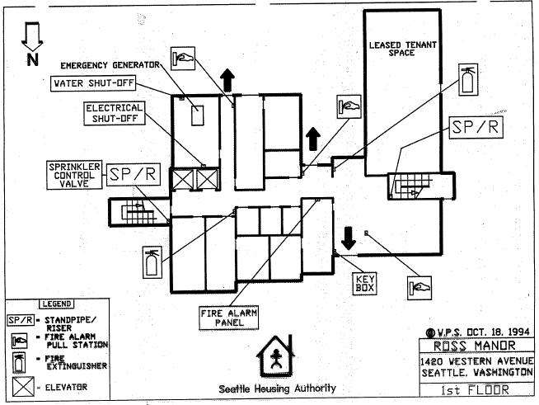
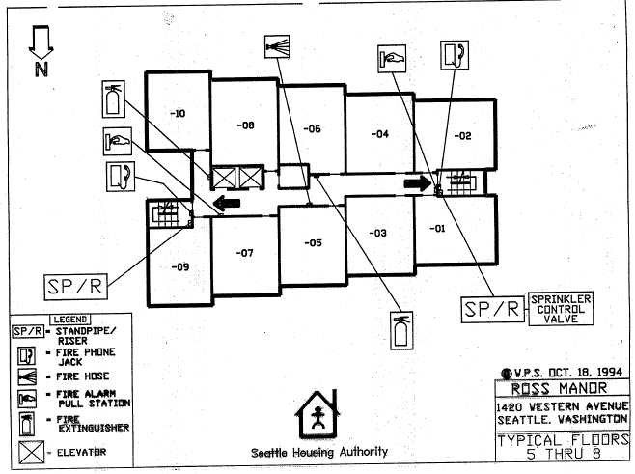
Ross Manor | Stories: | 12 | Community ID | 046
1420 Western Ave Seattle, WA 98101 | Residential Units: | 100 | Year Built | 1984
Existing Fixtures |  |  | Proposed Replacement Fixtures
Fixture Location | Fixture Type | Qnty | Replacement Fixture (or Equivalent) | New Fixture or Lamp-only | Qnty
W. Entry Sconces | Small Patio Sconcce (P8?) | 7 | P08 - RAB BRISK12N/PCU 12W |  | 7
W. Entry Overhead | Large Scounce at Entry + 1 Ceiling (P19) | 1 | P19 - Nuvo 62-547 |  | 1
S. Parking Gate | Wall Mounted Ext. RAB | 3 | P07 - SYL 74217 |  | 3
Parking | Ceiling Mounted RAB | 1 | P11 - RAB VAN1LED12NW |  | 1
Post Alley Entrance | Wall Mounted Ext. RAB | 3 | P09 - XTOR3B + KNC |  | 3
Post Alley Entrance | Entry Way Sconces P19 | 4 | P19 - Nuvo 62-547 |  | 4

Main Entry Lobby | Recessed cans from doors to mail | 12 | P52 - Green Creative 58261 |  | 12
Office | 4-Lamp T8 Flat Panel 24" | 6 | P26 - SYL 2X4 32W Flat Panel 74247 |  | 6
Office Storage | P22 | 1 | P22 - FSW-4-30L-830-UNV-DIM |  | 1
Inner Office | 2-lamp T8 Flat Panel 12" | 4 | P27 - SYL 1X4 32W Flat Panel 74243 |  | 4
Restroom (2) | 1 Vanity light for each bathroom | 2 | P20 - 31006LEDD-BS/OPL Vanity Light |  | 2
Laundry Room | 2-lamp T8 Flat Panel 12" | 4 | P27 - SYL 1X4 32W Flat Panel 74243 |  | 4
Elevators | 24" tubes, lamp only | 12 | P31 - GC LED T8 4ft 28399 |  | 12
Community Room | Surface Mount 12" Round (P-19) | 7 | P19 - Nuvo 62-547 |  | 7
Utility Room | Single Bulb T8 Style P22 | 6 | P22 - FSW-4-30L-830-UNV-DIM |  | 6
Mechanical Room | Single Bulb T8 Style P22 | 10 | P22 - FSW-4-30L-830-UNV-DIM |  | 10
Electric Room | P22 | 2 | P22 - FSW-4-30L-830-UNV-DIM |  | 2
Archive Room | P22 | 1 | P22 - FSW-4-30L-830-UNV-DIM |  | 1
Janitor Storage | P22 | 6 | P22 - FSW-4-30L-830-UNV-DIM |  | 6
1st Floor Small Hallway | Recessed CFL | 4 | P52 - Green Creative 58261 |  | 4
1st floor Hallway | T8 4 Lamp Flat Panel 24" | 5 | P26 - SYL 2X4 32W Flat Panel 74247 |  | 5
2nd floor Hallway | Surface Mount T8s 2-bulb (P-22?) | 6 | P22 - FSW-4-30L-830-UNV-DIM |  | 6
3rd floor Hallway | Surface Mount T8s 2-bulb (P-22?) | 6 | P22 - FSW-4-30L-830-UNV-DIM |  | 6
4th floor Hallway | Surface Mount T8s 2-bulb (P-22?) | 6 | P22 - FSW-4-30L-830-UNV-DIM |  | 6
5th floor Hallway | Surface Mount T8s 2-bulb (P-22?) | 6 | P22 - FSW-4-30L-830-UNV-DIM |  | 6
6th floor Hallway | Surface Mount T8s 2-bulb (P-22?) | 6 | P22 - FSW-4-30L-830-UNV-DIM |  | 6
7th floor Hallway | Surface Mount T8s 2-bulb (P-22?) | 6 | P22 - FSW-4-30L-830-UNV-DIM |  | 6
8th floor Hallway | Surface Mount T8s 2-bulb (P-22?) | 6 | P22 - FSW-4-30L-830-UNV-DIM |  | 6
9th floor Hallway | Surface Mount T8s 2-bulb (P-22?) | 6 | P22 - FSW-4-30L-830-UNV-DIM |  | 6
10th floor Hallway | Surface Mount T8s 2-bulb (P-22?) | 6 | P22 - FSW-4-30L-830-UNV-DIM |  | 6
11th floor Hallway | Surface Mount T8s 2-bulb (P-22?) | 6 | P22 - FSW-4-30L-830-UNV-DIM |  | 6
12th floor Hallway | Surface Mount T8s 2-bulb (P-22?) | 6 | P22 - FSW-4-30L-830-UNV-DIM |  | 6
West Stairwell | Ceiling Mount (p19) | 25 | P19 - Nuvo 62-547 |  | 25
East Stairwell | Ceiling Mount (p19) | 25 | P19 - Nuvo 62-547 |  | 25
Janitor Closet Flr 2-12 | Wall or Circle Mounted | 11 | P46 - GC LED 6W A19 97731 | Lamp only | 11
 | Total: | 228 | Total: |  | 228

Hazardous Materials Info:
Lead Based Paint: | Tests indicate no lead based paint on this property. See Good Faith Report.
Asbestos Containing Materials: | ACM found in material tests. See Good Faith Report
Good Faith Lead and Asbestos surveys will be provided to the successful bidder. Disturbance of hazardous materials is not anticipated with this scope of work.

University West
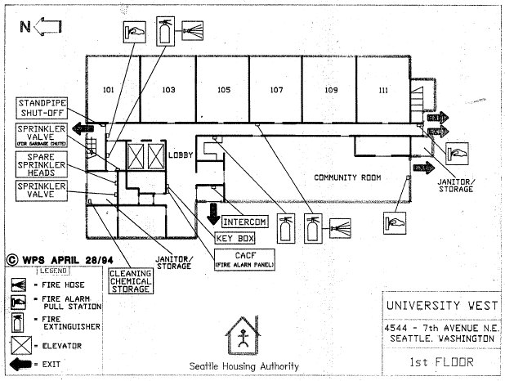
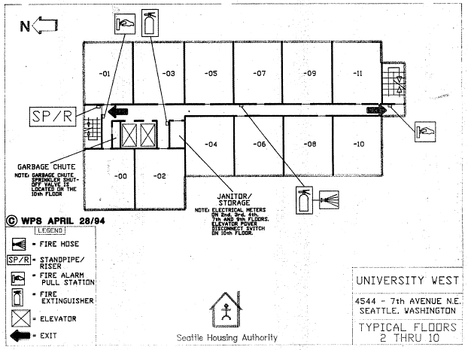
University West | Stories: | 10 | Community ID | 034
4544 7th Ave NE Seattle, WA 98105 | Residential Units: | 114 | Year Built | 1971
Existing Fixtures |  |  | Proposed Replacement Fixtures
Fixture Location | Fixture Type | Qnty | Replacement Fixture (or Equivalent) | New Fixture or Lamp-only | Qnty
Parking Lot Posts | Metal Haldide / High Presssure Sodium Fixture; 12ft'' Lamp post | 2 | P03 - RAB ALED4T105 AREA LIGHT |  | 2
N. Entry Rain Awning | COB Led; ceiling mounted (square encasing) | 2 | Do not Remove. Maintain in place |  | 2
E. ROW Post | Metal Haldide / High Presssure Sodium Fixture; 12ft'' Lamp post | 1 | P03 - RAB ALED4T105 AREA LIGHT |  | 1
S. Spot Light Sconce | 2 pin CFL; wall mounted (cylindrical sconce) | 1 | P09 - XTOR3B + KNC |  | 1
Community Room Courtyard (south) | Flood light (upside down?); unknown type | 1 | P08 - RAB BRISK12N/PCU 12W |  | 1

N. Entry Sconces | 2 pin CFL; wall mounted (cylindrical sconce) | 1 | P19 - Nuvo 62-547 |  | 1
West Entry Sconces | 2 pin CFL; wall mounted (cylindrical sconce) | 2 | P19 - Nuvo 62-547 |  | 2
Interior Entry | 2 lamp fixture; ceiling mounted ; T-8 floroescent | 1 | P22 - FSW-4-30L-830-UNV-DIM |  | 1
N. Mech Sconces | Flood light; unknown type | 1 | P19 - Nuvo 62-547 |  | 1
1st Floor Bathroom Corridor | 2 lamp fixture; ceiling mounted ; T-8 floroescent | 2 | P22 - FSW-4-30L-830-UNV-DIM |  | 2
1st Floor Bathrooms | 2 lamp fixture; ceiling mounted ; T-8 floroescent | 4 | P22 - FSW-4-30L-830-UNV-DIM |  | 4
1st Floor Lobby / Mail | 2 lamp fixture; ceiling mounted ; T-8 floroescent | 6 | P22 - FSW-4-30L-830-UNV-DIM |  | 6
1st Floor Community Room | 4 lamp fixture; ceiling mounted; T-8 floroescent | 24 | P22 - FSW-4-30L-830-UNV-DIM |  | 24
1st Floor Office | 4 lamp fixture; ceiling mounted; T-8 floroescent | 6 | P22 - FSW-4-30L-830-UNV-DIM |  | 6
Janitor Closet, flrs 2-10 | Single CFL, ceiling mounted; E-26 base | 9 | P46 - GC LED 6W A19 97731 |  | 9
Trash Room , flrs 2-10 | Single CFL, ceiling mounted; E-26 base | 9 | P46 - GC LED 6W A19 97731 |  | 9
Elevator 1 of 2 | 2 lamp fixture; ceiling mounted ; T-8 floroescent | 2 | P31 - GC LED T8 4ft 28399 |  | 2
Elevator 2 of 2 | 2 lamp fixture; ceiling mounted ; T-8 floroescent | 2 | P31 - GC LED T8 4ft 28399 |  | 2
Stairs 1 of 2 | 2 pin CFL ; wall mounted (cylindrical sconce) ; (**2 per floor) | 20 | Access Bulkhead 20290LEDDLP-WH/FST |  | 20
Stairs 2 of 2 | 2 pin CFL ; wall mounted (cylindrical sconce) ; (**2 per floor) | 20 | Access Bulkhead 20290LEDDLP-WH/FST |  | 20
1st Floor Hallway | 2 lamp fixture; recessed/drop ceiling ; T-8 floroescent | 6 | P27 - SYL 1X4 32W Flat Panel 74243 |  | 6
2nd Floor Hallway | 2 lamp fixture; ceiling mounted ; T-8 floroescent | 7 | P22 - FSW-4-30L-830-UNV-DIM |  | 7
3rd Floor Hallway | 2 lamp fixture; ceiling mounted ; T-8 floroescent | 7 | P22 - FSW-4-30L-830-UNV-DIM |  | 7
4th Floor Hallway | 2 lamp fixture; ceiling mounted ; T-8 floroescent | 7 | P22 - FSW-4-30L-830-UNV-DIM |  | 7
5th Floor Hallway | 2 lamp fixture; ceiling mounted ; T-8 floroescent | 7 | P22 - FSW-4-30L-830-UNV-DIM |  | 7
6th Floor Hallway | 2 lamp fixture; ceiling mounted ; T-8 floroescent | 7 | P22 - FSW-4-30L-830-UNV-DIM |  | 7
7th Floor Hallway | 2 lamp fixture; ceiling mounted ; T-8 floroescent | 7 | P22 - FSW-4-30L-830-UNV-DIM |  | 7
8th Floor Hallway | 2 lamp fixture; ceiling mounted ; T-8 floroescent | 7 | P22 - FSW-4-30L-830-UNV-DIM |  | 7
9th Floor Hallway | 2 lamp fixture; ceiling mounted ; T-8 floroescent | 7 | P22 - FSW-4-30L-830-UNV-DIM |  | 7
10th Floor Hallway | 2 lamp fixture; ceiling mounted ; T-8 floroescent | 7 | P22 - FSW-4-30L-830-UNV-DIM |  | 7
 | Total: | 185 |  | Total: | 185

Hazardous Materials Info:
Lead Based Paint: | Tests indicate lead based paint in interior common areas on this property. See Good Faith Report for specifics.
Asbestos Containing Materials: | Tests indicate there are no asbesto containing materials. See Good Faith Report and additional testing results.
Good Faith Lead and Asbestos surveys will be provided to the successful bidder. Disturbance of hazardous materials is not anticipated with this scope of work.

West Town View
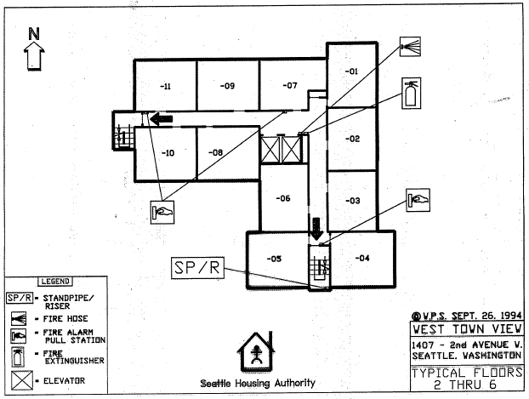
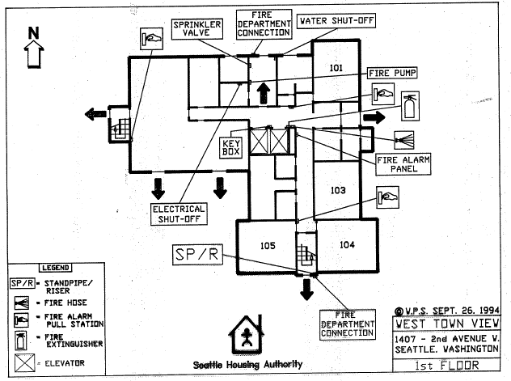
West Town View | Stories: | 6 | Community ID | 040
1407 2nd Ave W Seattle, WA 98119 | Residential Units: | 59 | Year Built | 1977
Existing Fixtures |  |  | Proposed Replacement Fixtures
Fixture Location | Fixture Type | Qnty | Replacement Fixture (or Equivalent) | New Fixture or Lamp-only | Qnty
Parking | Pole Lamps | 3 | P50 - KT-LED36HID-EX39-840-D | Lamp Only | 3
Exterior Bay Parking | Wall Mount RAB | 2 | P08 - RAB BRISK12N/PCU 12W |  | 2
Parking Entry | 2L T8 Surface Mount | 2 | P22 - FSW-4-30L-830-UNV-DIM |  | 2
Main Ext. Entry | 14" Round Surface Mount | 2 | P19 - Nuvo 62-547 |  | 2
Exterior Courtyard | 1L Lamps | 6 | P46 - GC LED 6W A19 97731 | Lamp Only | 6
Courtyard | 2L Wall Mount | 1 | P08 - RAB BRISK12N/PCU 12W |  | 1

Entry Vestibule | 2X2 U T8 2L Drop Ceiling | 2 | P04 - SYL 74252 |  | 2
Lobby/Mail | 2X4 T8 4L | 2 | P26 - SYL 2X4 32W Flat Panel 74247 |  | 2
Office | 2X2 T8 | 2 | P04 - SYL 74252 |  | 2
Manager Office | 2X4 T8 4L | 2 | P22 - FSW-4-30L-830-UNV-DIM |  | 2
Electrical Room | Round 12" Ceiling Mount | 1 | P19 - Nuvo 62-547 |  | 1
Storage Room | Round 12" Ceiling Mount | 1 | P19 - Nuvo 62-547 |  | 1
Community Room | 2X4 T8 4L Drop Ceiling | 14 | P26 - SYL 2X4 32W Flat Panel 74247 |  | 14
Kitchen | 4L Ceiling Mount TF | 1 | P22 - FSW-4-30L-830-UNV-DIM |  | 2
Kitchen | Under cabinet | 1 | P32 - RAB KNOOK16YW UNDER CABINET |  | 1
Kitchen | Round Surface Mount CFL | 1 | P19 - Nuvo 62-547 |  | 1
Bathroom | 2L T8 Surface Mount | 2 | P22 - FSW-4-30L-830-UNV-DIM |  | 2
Bathroom | Vanity | 2 | P20 - 31006LEDD-BS/OPL Vanity Light |  | 2
Laundry | 4L T8 Surface Mount On Hard Lid | 5 | P22 - FSW-4-30L-830-UNV-DIM |  | 5
Mech/Electrical | 2L T8 Hangdown | 3 | P22 - FSW-4-30L-830-UNV-DIM |  | 3
Elevator | 2L T8 | 4 | P31 - GC LED T8 4ft 28399 | Lamp Only | 4
West Staircase | 1L CFL | 12 | Access Bulkhead 20290LEDDLP-WH/FST |  | 12
South Stair | 1L CFL | 15 | Access Bulkhead 20290LEDDLP-WH/FST |  | 15
1st Floor Hall | 2x2 T8 Drop Ceiling | 10 | P04 - SYL 74252 |  | 10
2nd Floor Hall | 2x2 T8 Drop Ceiling | 12 | P04 - SYL 74252 |  | 12
3rd Floor Hall | 2x2 T8 Drop Ceiling | 12 | P04 - SYL 74252 |  | 12
4th Floor Hall | 2x2 T8 Drop Ceiling | 12 | P04 - SYL 74252 |  | 12
5th Floor Hall | 2x2 T8 Drop Ceiling | 12 | P04 - SYL 74252 |  | 12
6th Floor Hall | 2x2 T8 Drop Ceiling | 12 | P04 - SYL 74252 |  | 12
 | Total: | 156 |  | Total: | 157

Hazardous Materials Info:
Lead Based Paint: | Tests indicate no lead based paint in common areas. See Good Faith Report.
Asbestos Containing Materials: | Tests indicate no asbestos containing materials. See testing reports.
Good Faith Lead and Asbestos surveys will be provided to the successful bidder. Disturbance of hazardous materials is not anticipated with this scope of work.

